Test Case
App Name |  | : | Github
Version |  | :
Environment |  | : | Publish
Tester |  | : | Chesya

No | Module | Test Case ID | Test Scenario | Type | Precondition | Steps | Test Data | Expected Result | Actual Result | Steps Result | Date Of Execution | Execution by | Capture | Status | Bug Report | Note
1 | Log in | TC01 | Verifikasi bahwa ketika masuk akan tampil username box dan button untuk login | Positive | 1. Open browser | 1. Native to url | https://github.com/login | Akan tampil username box dan button untuk login | AsExpected | Passed | 7-Oct-25 | Chesya | TC01S01 | Passed
2 |  | TC02 | Login dengan kredensial yang valid. | Positive | 1. User has been register | 1. Enter Username | chesyaivana | Username entered successfully | AsExpected | Passed | 7-Oct-25 | Chesya | TC02S01 | Passed
 |  |  |  |  |  | 2. Enter Password | ----------- | Password entered successfully | AsExpected | Passed | 7-Oct-25 | Chesya | TC02S02
 |  |  |  |  |  | 3. Click Login button |  | User successfully login and will direct to dashbord page | AsExpected | Passed | 7-Oct-25 | Chesya | TC02S03
3 |  | TC03 | Login dengan Password yang salah. | Negative |  | 1. Enter Username | chesyaivana | Username entered successfully | AsExpected | Passed | 7-Oct-25 | Chesya | TC03S01 | Passed
 |  |  |  |  |  | 2. Enter Password | udang123 | Password didn't entered successfully | AsExpected | Passed | 7-Oct-25 | Chesya | TC03S02
 |  |  |  |  |  | 3. Click Login button |  | User did'nt successfully login | AsExpected | Passed | 7-Oct-25 | Chesya | TC03S03
4 |  | TC04 | Login dengan Username yang tidak terdaftar. | Negative |  | 1. Enter Username | chesyaivanaaaa | Username didn't entered successfully | AsExpected | Passed | 7-Oct-25 | Chesya | TC04S01 | Passed
 |  |  |  |  |  | 2. Enter Password | ----------- | Password entered successfully | AsExpected | Passed | 7-Oct-25 | Chesya | TC04S02
 |  |  |  |  |  | 3. Click Login button |  | User did'nt successfully login | AsExpected | Passed | 7-Oct-25 | Chesya | TC04S03
5 |  | TC05 | Login dengan kolom Username kosong. | Negative |  | 1. Enter Username |  | Username didn't entered successfully | AsExpected | Passed | 7-Oct-25 | Chesya | TC05S01 | Passed
 |  |  |  |  |  | 2. Enter Password | ----------- | Password entered successfully | AsExpected | Passed | 7-Oct-25 | Chesya | TC05S02
 |  |  |  |  |  | 3. Click Login button |  | User did'nt successfully login | AsExpected | Passed | 7-Oct-25 | Chesya | TC05S03
6 |  | TC06 | Login dengan kolom Password kosong. | Negative |  | 1. Enter Username | chesyaivana | Username didn't entered successfully | AsExpected | Passed | 7-Oct-25 | Chesya | TC06S01 | Passed
 |  |  |  |  |  | 2. Enter Password |  | Password didn't entered successfully | AsExpected | Passed | 7-Oct-25 | Chesya | TC06S02
 |  |  |  |  |  | 3. Click Login button |  | User did'nt successfully login | AsExpected | Passed | 7-Oct-25 | Chesya | TC06S03
7 | Dashboard | TC07 | Memverifikasi tampilan elemen utama Dashboard. | Positive | Login dengan kredensial yang valid. | Login as User |  | Akan tampil dahboard page | AsExpected | Passed | 7-Oct-25 | Chesya | TC07S01 | Passed
8 |  | TC08 | Mengklik tautan navigasi ke halaman lain. | Positive | Login dengan kredensial yang valid. | Login as User |  | Akan tampil dahboard page | AsExpected | Passed | 7-Oct-25 | Chesya | TC08S01 | Passed
 |  |  |  |  |  | go to project |  | Akan tampil project page | AsExpected | Passed | 7-Oct-25 | Chesya | TC08S02
9 |  | TC09 | Mencoba mengakses Dashboard tanpa Login (unauthorized access). | Negative | Open browser | Native to url | http://github.com/ | Tidak akan masuk ke dashboard | AsExpected | Passed | 7-Oct-25 | Chesya | TC09S01 | Passed
10 |  | TC10 | Mengklik tombol Logout. | Positive | Login dengan kredensial yang valid. | Login as User |  | Akan tampil dahboard page | AsExpected | Passed | 7-Oct-25 | Chesya | TC10S01 | Passed
 |  |  |  |  |  | Go to user logo |  | Akan tampil beberapa menu | AsExpected | Passed | 7-Oct-25 | Chesya | TC10S02
 |  |  |  |  |  | Choose Sign out / log out |  | User will sign out and back to login page | AsExpected | Passed | 7-Oct-25 | Chesya | TC10S03
11 | Profil | TC11 | Memperbarui Nama lengkap dengan data baru yang valid. | Positive | Login dengan kredensial yang valid. | Login as User |  | Akan tampil dahboard page | AsExpected | Passed | 7-Oct-25 | Chesya | TC11S01 | Passed
 |  |  |  |  |  | Go to Profil |  | Akan tampil Profil page | AsExpected | Passed | 7-Oct-25 | Chesya | TC11S02
 |  |  |  |  |  | Click Edit Profil |  | Akan tampil form data diri | AsExpected | Passed | 7-Oct-25 | Chesya | TC11S03
 |  |  |  |  |  | Change to full name | Chesya Ivana Sitorus | Ubah menjadi "Chesya Ivana Sitorus" | AsExpected | Passed | 7-Oct-25 | Chesya | TC11S04
 |  |  |  |  |  | Click Save |  | Nama akan berubah | AsExpected | Passed | 7-Oct-25 | Chesya | TC11S05
12 |  | TC12 | Mencoba menyimpan kolom Nama yang dikosongkan | Negative | Login dengan kredensial yang valid. | Login as User |  | Akan tampil dahboard page | AsExpected | Passed | 7-Oct-25 | Chesya | TC12S01 | Passed
 |  |  |  |  |  | Go to Profil |  | Akan tampil Profil page | AsExpected | Passed | 7-Oct-25 | Chesya | TC12S02
 |  |  |  |  |  | Click Edit Profil |  | Akan tampil form data diri | AsExpected | Passed | 7-Oct-25 | Chesya | TC12S03
 |  |  |  |  |  | Change to full name | " " | Ubah menjadi " " | AsExpected | Passed | 7-Oct-25 | Chesya | TC12S04
 |  |  |  |  |  | Click Save |  | Nama akan tidak akan berubah | AsExpected | Passed | 7-Oct-25 | Chesya | TC12S05
13 |  | TC13 | Memperbarui foto profil | Positive | Login dengan kredensial yang valid. | Login as User |  | Akan tampil dahboard page | AsExpected | Passed | 7-Oct-25 | Chesya | TC13S01 | Failed | Foto tidak langsung berubah | Membutuhkan 3 menit untuk mengubah foto profil
 |  |  |  |  |  | Go to Profil |  | Akan tampil Profil page | AsExpected | Passed | 7-Oct-25 | Chesya | 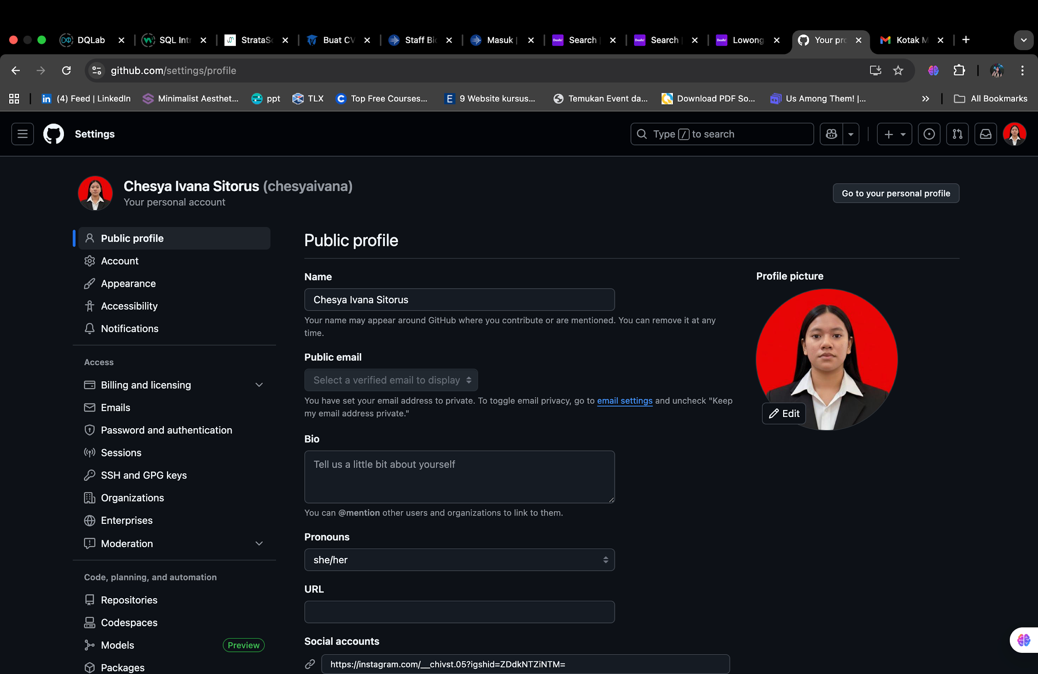
 |  |  |  |  |  | Click foto Profil |  | Akan tampil pilihan edit foto profil | AsExpected | Passed | 7-Oct-25 | Chesya | TC13S03
 |  |  |  |  |  | Edit Foto Profil | Foto Baru | Akan mengupload foto | AsExpected | Passed | 7-Oct-25 | Chesya | TC13S04
 |  |  |  |  |  | Click Save |  | Foto Profil akan berubah | Not AsExpected | Failed | 7-Oct-25 | Chesya | 